Copy of Sheet1
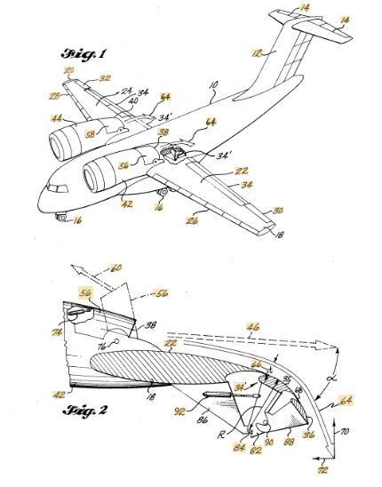
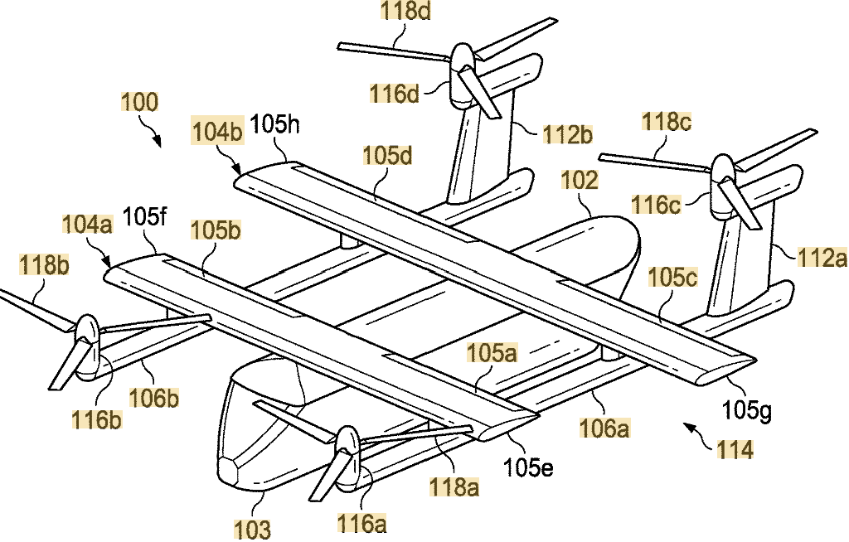
 |  | eVtol no wings |  | eVtol with wings L+C |  | e Stol

 | Type of operation in urban areas
 |  | Enhanced |  | Enhanced |  | Basic

 | Stall speed | NA |  | High |  | low

 | Cost per mile/pax

 | Emergency manouvering with pilot skills and no automatic control

 | Energy source |  | full electric |  | full electric |  | electric + fuel

 |  | Volocopter |  | Archer 4 pax +1 pilot |  | Electra
 | Commercial ex. |  |  | Joby (have a patente under Wisk)

 | Patent notes | US20220126995A1 |  | https://www.denverpost.com/2021/04/24/electric-aircraft-archer-aviation-wisk-aero-lawsuit/
 |  | patent active

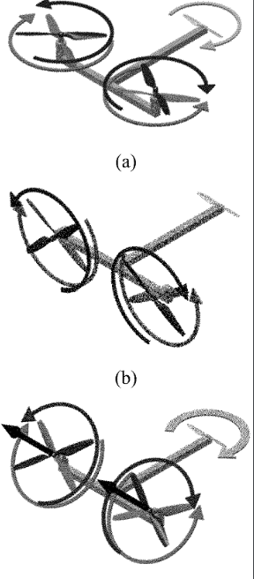
 |  | Patent active |  |  |  |  |  |  | Patent infringment |  | US9120560B1
 |  |  |  |  |  |  |  |  |  |  |  |  |  | Patent infringement |  | US20190061968A1

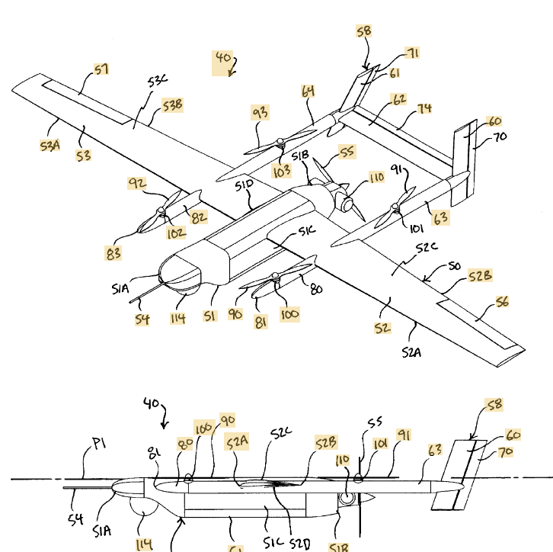
 |  |  |  |  |  |  |  | Twin
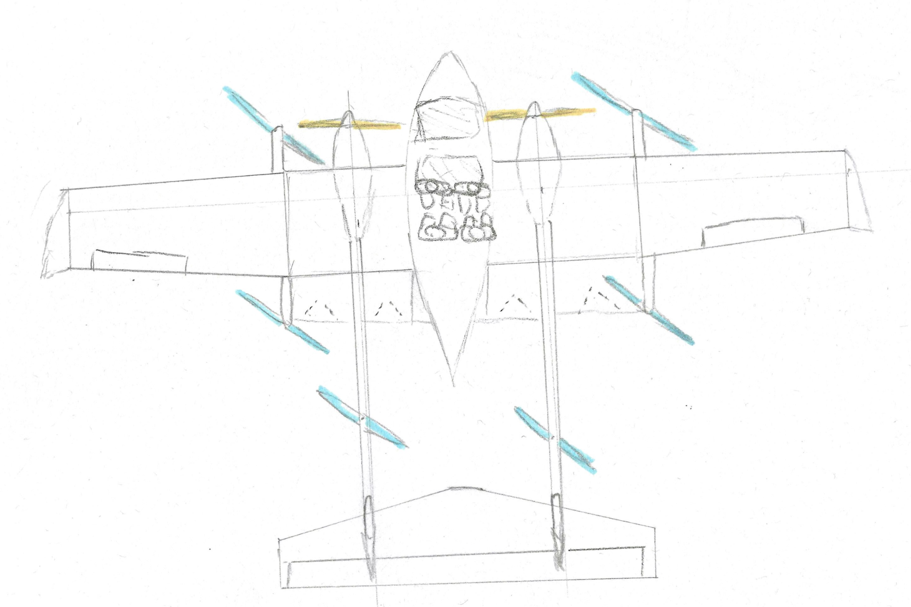
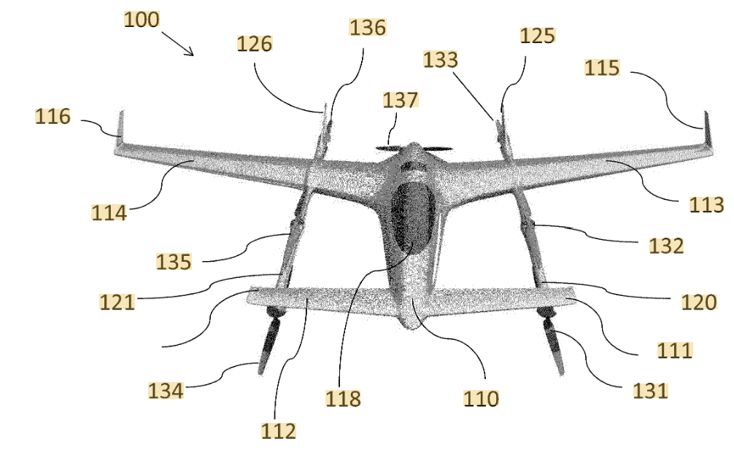
 |  | US20220126995A1

Designs restricted by patents

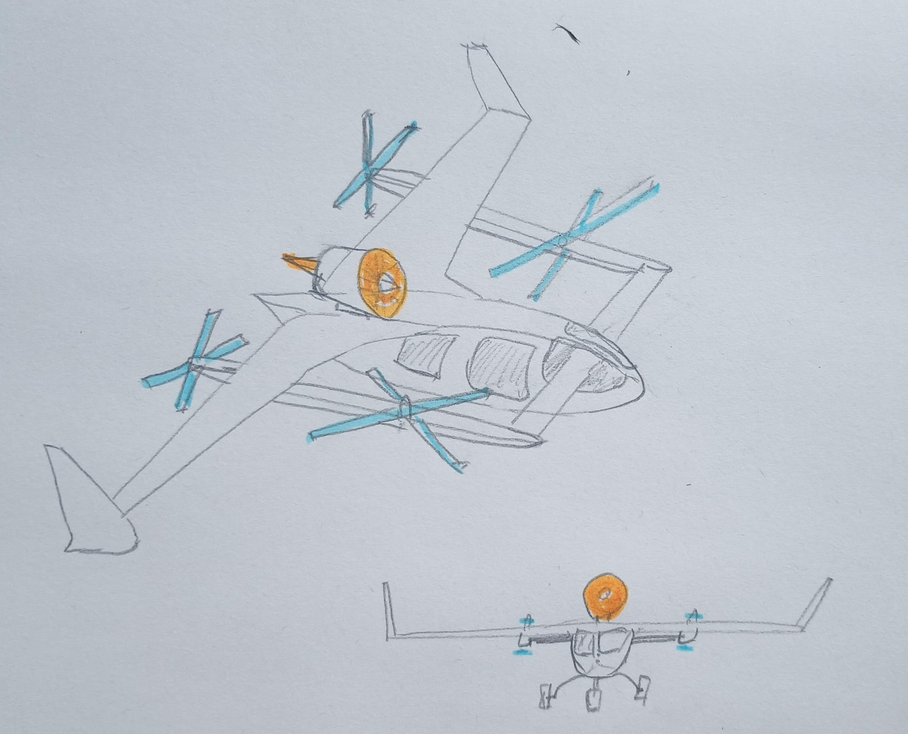

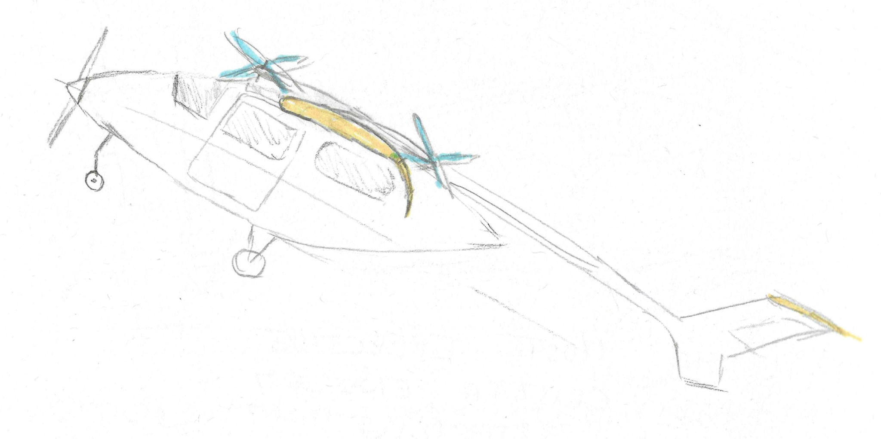

 |  |  |  |  |  |  |  | Single

 |  |  |  |  |  |  |  |  |  | https://patents.google.com/patent/US11919630B2/en?q=(vtol+rotors)&oq=+vtol+rotors
 |  |  |  |  |  |  |  |  |  | US11919630B2 |  | Separated lift-thrust VTOL aircraft with articulated rotors
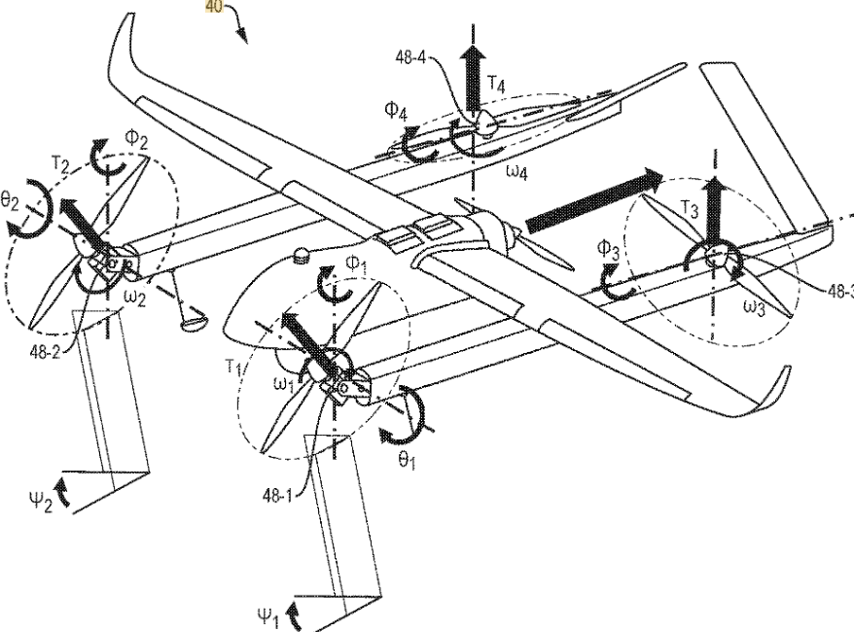

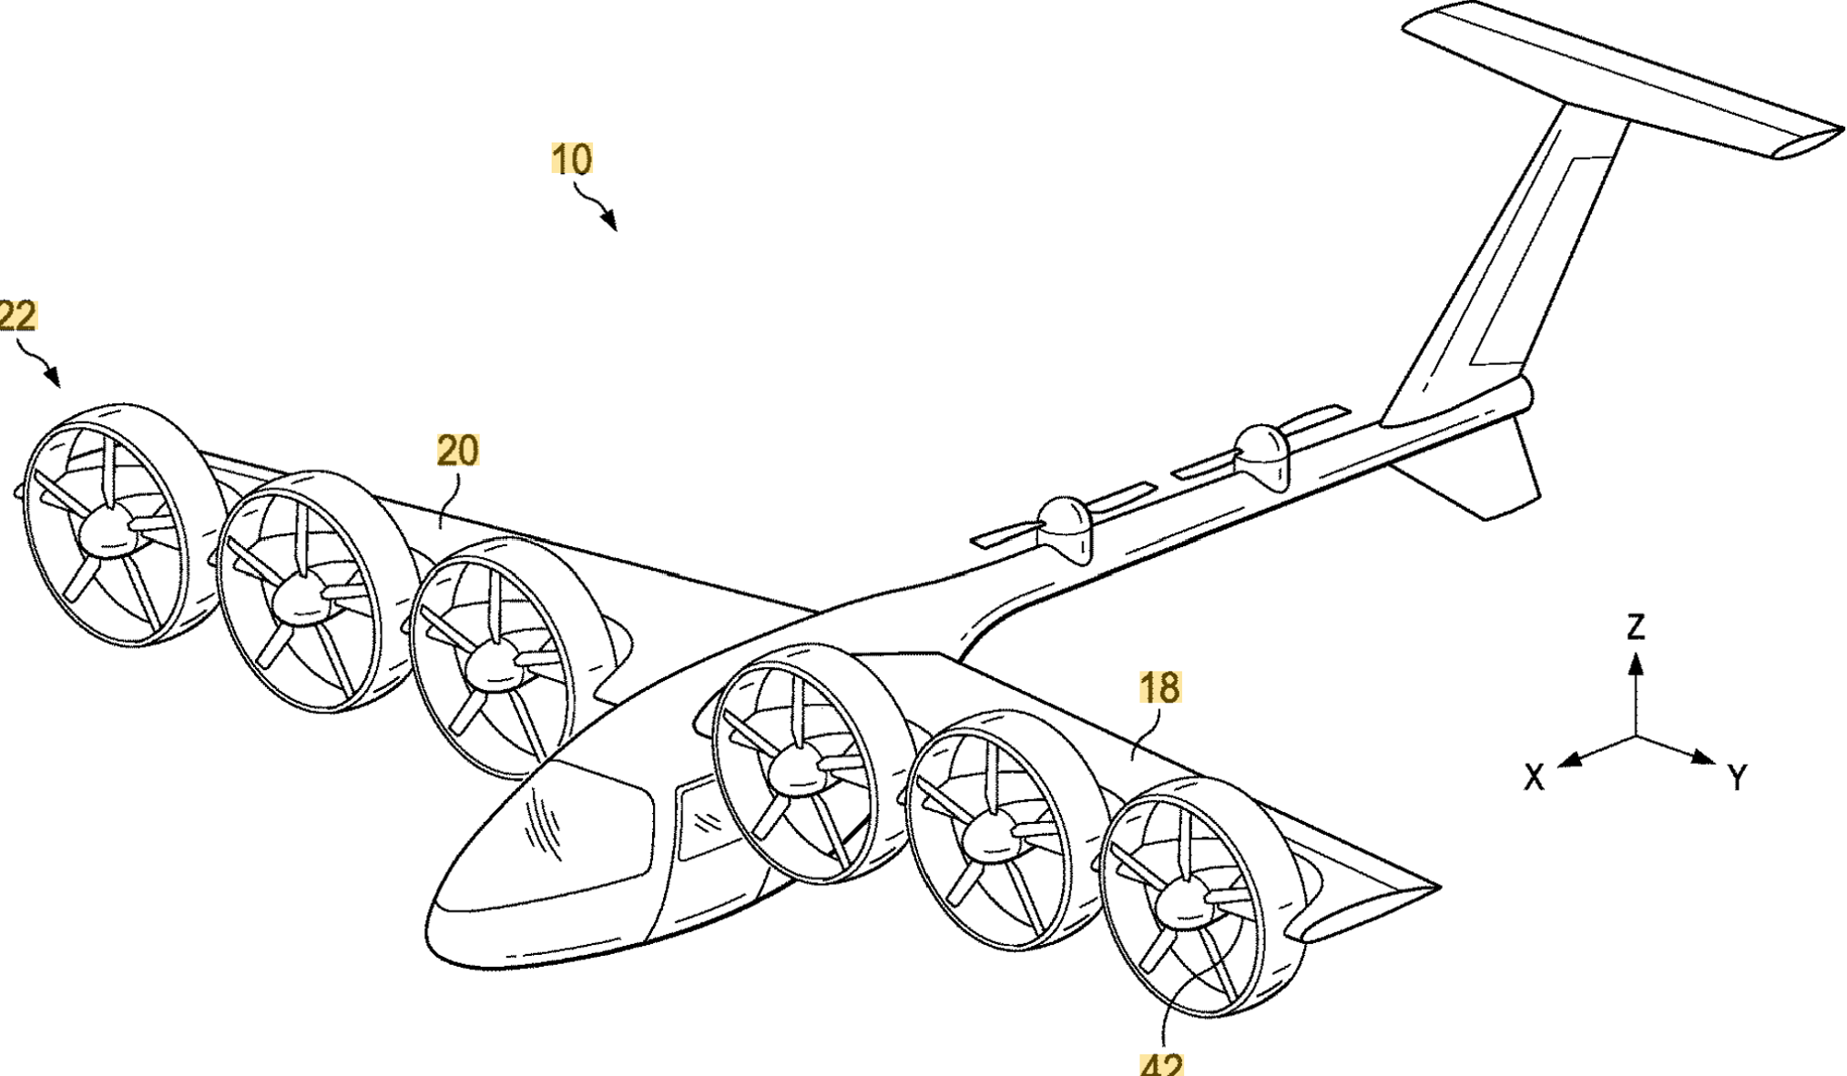
 |  |  |  |  |  | https://patents.google.com/patent/US20200391859A1/en?oq=+US20200391859A1 |  |  |  |  |  |  | https://patents.google.com/patent/US3977630A/en?oq=us3977630a |  | https://patents.google.com/patent/US20200140079A1/en?oq=us20200140079a1
Designs that are allow by abandoned patents |  |  |  |  |  | available, abandoned US20200391859A1 |  |  |  |  |  |  | Available, expired US3977630A
 |  |  |  |  |  |  |  |  |  |  |  |  |  |  | Available, Abandoned us20200140079a1

